Sheet1
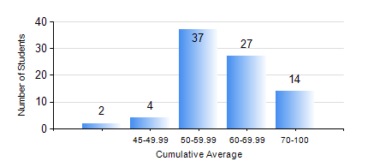
 |  |  | KWAME NKRUMAH UNIVERSITY OF SCIENCE AND TECHNOLOGY, KUMASI Department of Telecommunication Engineering

 |  |  | BSC. TELECOMMUNICATION ENG.

 |  |  | COMPREHENSIVE RECORD OF EXAMINATION RESULTS

 |  |  | RESULTS OF YEAR 2 SECOND SEMESTER, 2018/2019 ACADEMIC YEAR

 | Sn | Course Code |  | Course Name | Credit Hours | Min. Mark | Max. Mark | Avg. Mark | Std. Dev. | No. Passed | No. Trailed | No. (Df) | No. (I) | No. (I*) | No. Tagged(I,I*,Df) | Total
 | 0. |  |  |  |  |  |  | 0 | 0 | 0 | 0 | 0 | 0 | 0 | 0 | 7
 | 1. | ECON 152 |  | INTRODUCTORY ECONOMICS II | 2 | 55 | 79 | 65 | 7.03 | 13 | 0 | 0 | 0 | 0 | 0 | 13
 | 2. | EE 272 |  | DIGITAL SYSTEMS | 3 | 40 | 75 | 61 | 8.14 | 77 | 0 | 0 | 0 | 0 | 0 | 77
 | 3. | EE 288 |  | ELECTRICAL MEASUREMENT AND INSTRUMENTATION | 3 | 21 | 90 | 53 | 15.92 | 65 | 12 | 0 | 0 | 0 | 0 | 77
 | 4. | FREN 182 |  | FRENCH FOR COMMUNICATION | 2 | 50 | 91 | 72 | 9.84 | 64 | 0 | 0 | 0 | 0 | 0 | 64
 | 5. | MATH 252 |  | CALCULUS WITH SEVERAL VARIABLES | 4 | 36 | 83 | 65 | 10.53 | 76 | 1 | 0 | 0 | 0 | 0 | 77
 | 6. | TE 262 |  | ELECTROMAGNETIC FIELDS | 3 | 40 | 85 | 52 | 12.43 | 77 | 0 | 0 | 0 | 0 | 0 | 77
 | 7. | TE 292 |  | TELECOMMUNICATION LAB II | 2 | 0 | 86 | 64 | 15.21 | 75 | 1 | 0 | 1 | 0 | 1 | 77

